Figure 5AB
For PBMC cellular HIV DNA vs stimulated virus release from PBMC (Figure 5a and b), consider variables nadir CD4 count (could be categorical or continuous) and percentage CD4 T cells (again, could be categorical or continuous).
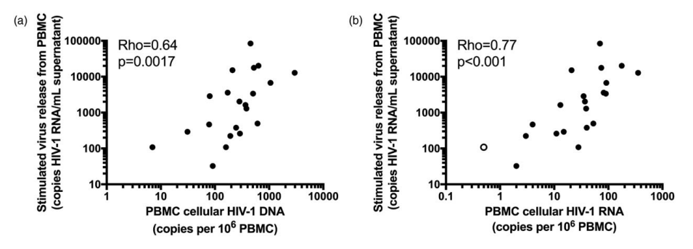

 |  |  | For analysis 5AB, on adjusting for both, check for ties in the data.

 | Adjusting for Nadir (Continuous)

 | Adjusting for % CD4 (Categorical)

 | Adjusting for Both

 |  | Why does this CI have 0 within its bounds?

 |  |  | Change p-value output display more exactly.
 |  |  | https://statisticsglobe.com/force-r-to-show-scientific-notation
 |  |  | See example 2

 | Adjusting for Nadir (Continuous)

 | Adjusting for % CD4 (Categorical)

 | Adjusting for Both

Figure 5CD
For PBMC cellular HIV DNA vs stimulated virus release from resting CD4 (Figure 5c and d), consider variables nadir CD4 count (could be categorical or continuous) and percentage CD4 T cells (again, could be categorical or continuous).
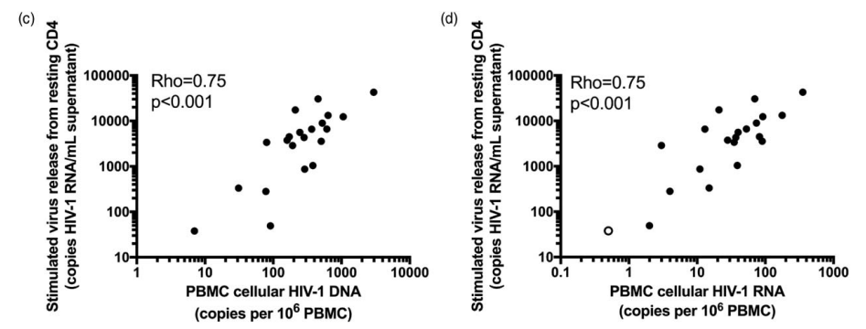

 |  |  | To-Do
 |  |  | Why is the bootstrapped CI still computationally singular?

 | Adjusting for Nadir (Continuous)

 |  | rho = 0.6933
 |  | p = 0.006

 | Adjusting for % CD4 (Categorical)

 | Adjusting for Both

 |  | rho = 0.6653
 |  | p = 0.0131

 |  |  | Try to rerun this analysis without the excluded bubble.

 | Adjusting for Nadir (Continuous)

 |  | rho = 0.58
 |  | p = 0.0294

 | Adjusting for % CD4 (Categorical)

 | Adjusting for Both

 |  | rho = 0.549
 |  | p = 0.052

